GroupNum_10
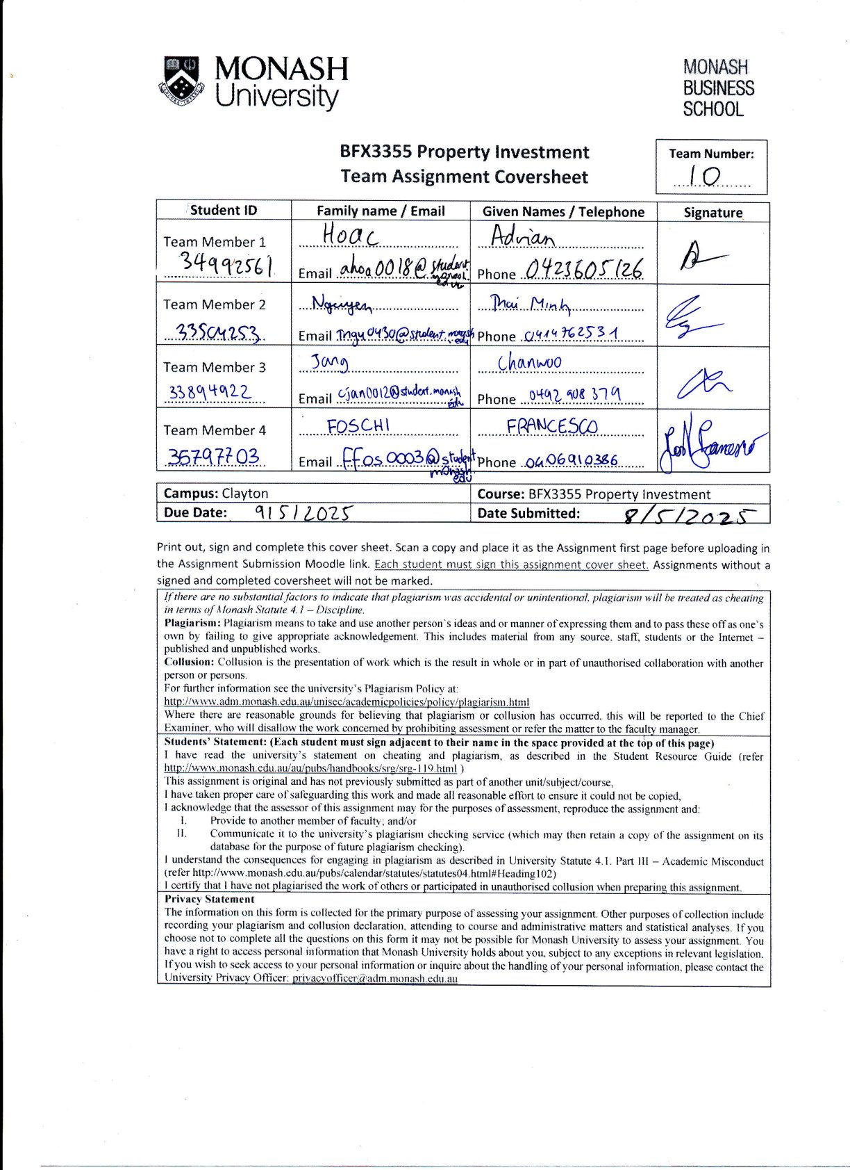
The assignment number must be displayed on the assignment cover sheet |  | StudentID | Family/Last name | Given name
You must use this Excel spreadsheet for your assignment |  | 33894922 | Jang | Chanwoo
Use the worksheet - GroupNum_10 - for initial values of variables |  | 33504253 | Nguyen | Thai Minh
Place the Data table in the worksheet labeled: DataTable_10 |  | 35797703 | Foshi | Francesco
Place Cash flow calculations in a separate worksheet |  | 34992561 | Hoac | Adrian

Assignment Group Number | Assign No | 10
Purchase Price (PP) | prPrice | $42,180,402.35
Value of building (for Capital allowance) as % of PP | BuildValPct | 48.00%
Value of Plant - Lifts for depreciation as % of PP | LiftValPct | 6.10%
Value of Plant - AirCon for depreciation as % of PP | AirConValPct | 7.40%
Value of F & F (Fixtures and Fittings) for depreciation as % of PP | FixFitValPct | 6.58%
Special building write off (capital allowance) – straight line | BuildAllow | 2.50%
Depreciation rate for Lifts – declining balance method | LiftDepn | 13.00%
Depreciation rate for AirCon – declining balance method | AirConDepn | 17.00%
Depreciation rate for F & F – declining balance method | FixFitDepn | 9.40%
Annual appreciation rate for land component | landAppn | 4.70%
Other buying costs (% of PP) | OthBuyCosts | 0.95%
Selling costs (% of selling price) | SelCosts | 2.27%
Interest rate on borrowed funds | InterestRate | 6.60%
Required rate of return | RequiredReturn | 14.30%
Reinvestment Rate for surplus cash flows | ReinvestRate | 3.83%
Annual rate of Inflation | Inflation | 2.46%
Projected income from other investments | OtherIncome | $395,569.00
Estimated percentage change in other in income | Pct_OtherIncomeChange | 3.75%
Annual Increase in Rent - Retail outlets (all) | Retail_RentIncrease | 3.00%
Annual increase in Rent: Convention Centre (levels 1 - 3) | Convention_RentIncrease | 2.60%
Annual increase in Rent: State governemnt offices (levels 4 - 8) | StateGov_RentIncrease | 2.80%
Annual increase in Rent: Higher floors Office space (levels 9 - 23) | Office_RentIncrease | 3.40%
Marginal Tax rate | MTR | 30.00%
Management fees - Gr Floor Retail | ManFeesRetail | 4.75%
Management fees - Convention Centre | ManFeesConvention | 3.75%
Management fees - GovOffices | ManFeesGov | 3.14%
Management fees - General office space | ManFeesGeneralOffice | 4.41%
Building Maintenance | BuildMaintenance | 3.76%
Other operating costs: Cleaning/Security, etc. | OthManCosts | 4.49%
Melbourne City Council and water rates | waterRates | 0.44%
Building and Public Liability Insurance premium (% building value) | BldnIns | 0.14%

 | Area in | Annual | Percent
Ground Floor Retail | Sq metres | Rent/Sq m | Occupancy
Ground Floor Retail: Laurent Boulangerie Patisserie | 520 | $145 | 95%
Ground Floor Retail: iJ Cafe - Coffee bar | 530 | $180 | 95%
Ground Floor Retail: Japanese Sushi Bar | 490 | $180 | 92%
Ground Floor Retail: 7-Eleven Convenience Store | 515 | $150 | 87%
Ground Floor Retail: Newsagency and Stationary | 525 | $155 | 94%
Ground Floor Retail: GoCycles - bicycle sales and service | 520 | $155 | 90%
Ground Floor Retail: Bank branch - Bendigo Bank | 490 | $170 | 91%
Ground Floor Retail: Pharmacy | 530 | $150 | 85%
Ground Floor Retail: Ladies fashion | 520 | $140 | 85%
Ground Floor Retail: Parliamentary Office - local member | 505 | $175 | 86%
Ground Floor Retail: Dental practice | 520 | $160 | 93%

Convention Centre - Levels 1 to 3 | 2,310 | $156 | 98%

Government Offices - Levels 4 to 8 | 3,922 | $159 | 97%

General Office - Levels 9 to 23
Office Level 9 | 965 | $209 | 82%
Office Level 10 | 1,239 | $232 | 84%
Office Level 11 | 1,322 | $184 | 85%
Office Level 12 | 1,239 | $190 | 84%
Office Level 13 | 1,239 | $193 | 83%
Office Level 14 | 1,397 | $227 | 85%
Office Level 15 | 1,151 | $199 | 84%
Office Level 16 | 1,081 | $209 | 84%
Office Level 17 | 1,076 | $193 | 82%
Office Level 18 | 1,081 | $184 | 83%
Office Level 19 | 1,133 | $209 | 82%
Office Level 20 | 1,278 | $209 | 85%
Office Level 21 | 1,339 | $190 | 84%
Office Level 22 | 1,081 | $190 | 84%
Office Level 23 | 1,322 | $248 | 84%

Executive summary
